Sheet1
 |  |  | Test case for Aamazon Application - | Done by NISHANTHINI V
 |  | Pre-condition-Should Have Internet Connectivit,Google or Apple account,login credentials

Test ScenarioID | Test Scenario | Tescase ID | Test steps | Input | Expected result | Actual result | Result | Positive/Negative scenario
TS-1 | Check valid Url | TC-1 | Go to amazon website | https://www.amazon.in/ | 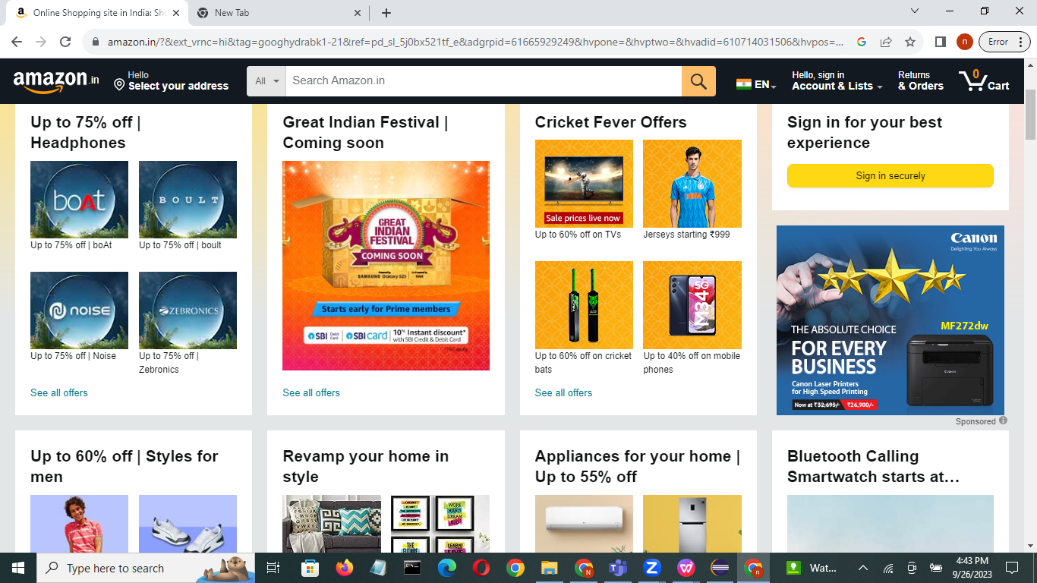 Homepage is displayed | As expected | pass | positive
TS-2 | Check sign in with valid data | TC-2 | Sign in | https://www.amazon.in/-/hi/ap/signin?openid.pape.max_auth_age=3600&openid.return_to=https%3A%2F%2Fwww.amazon.in%2Fspr%2Freturns%2Fgift&openid.identity=http%3A%2F%2Fspecs.openid.net%2Fauth%2F2.0%2Fidentifier_select&openid.assoc_handle=amzn_psr_desktop_in&openid.mode=checkid_setup&language=en_IN&openid.claimed_id=http%3A%2F%2Fspecs.openid.net%2Fauth%2F2.0%2Fidentifier_select&openid.ns=http%3A%2F%2Fspecs.openid.net%2Fauth%2F2.0 | 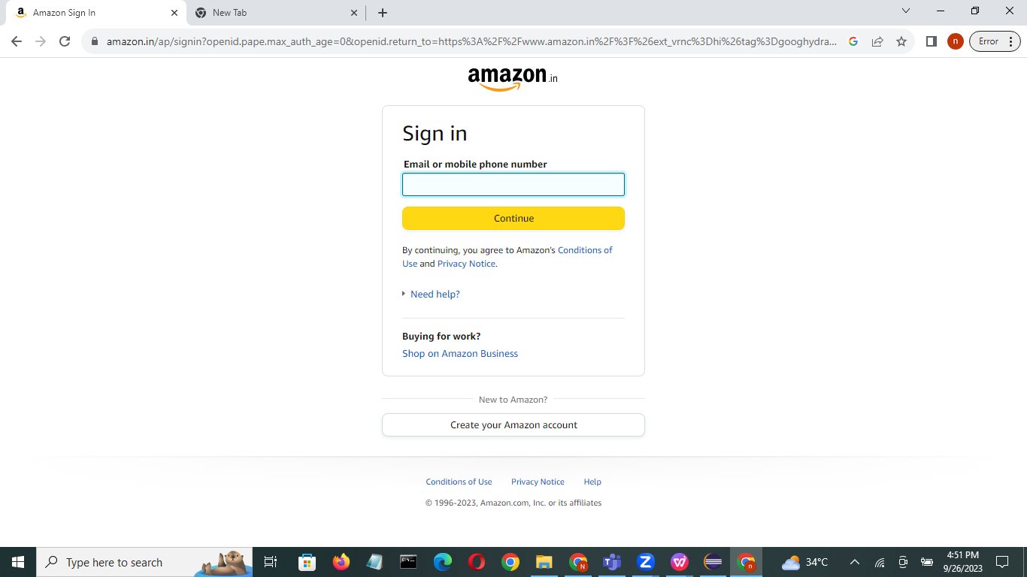 Login page is displayed | As expected | pass | positive
 |  | TC-3 | Select an account you need if it is a Google account | Mail-id:nishanthini580@gmail.com pwd:Nisha580 | 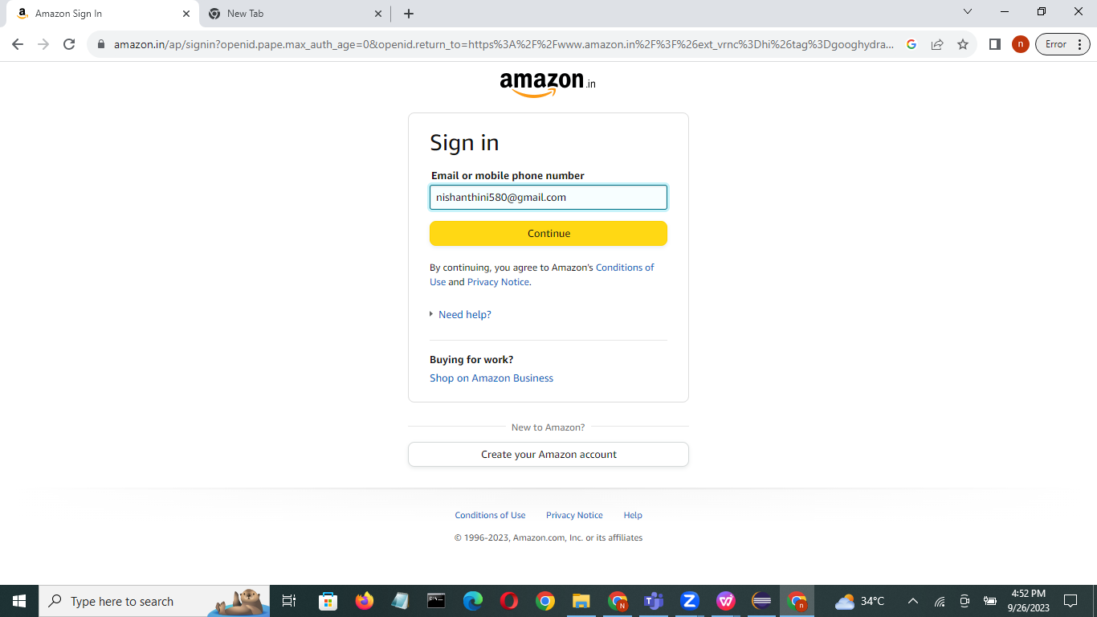 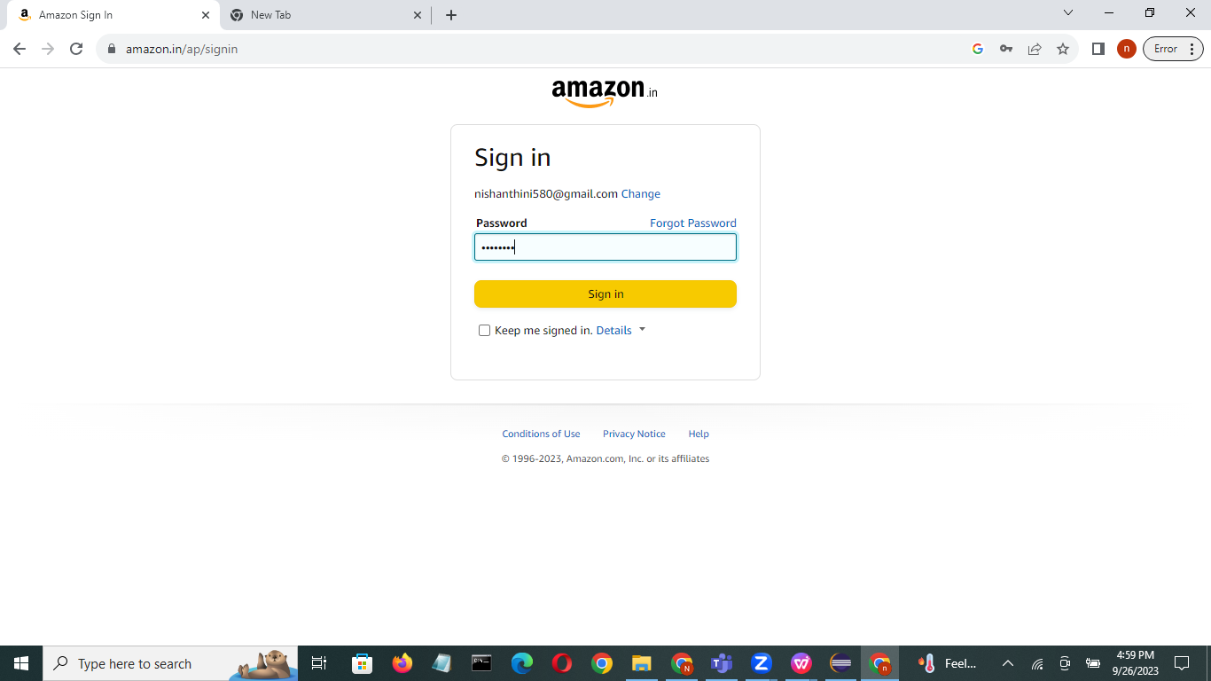 Get into details page | As expected | pass | positive
TS-3 | Forget password | TC-4 | Enter invalid username | Mail-id:nishanthin590@gmail.com | 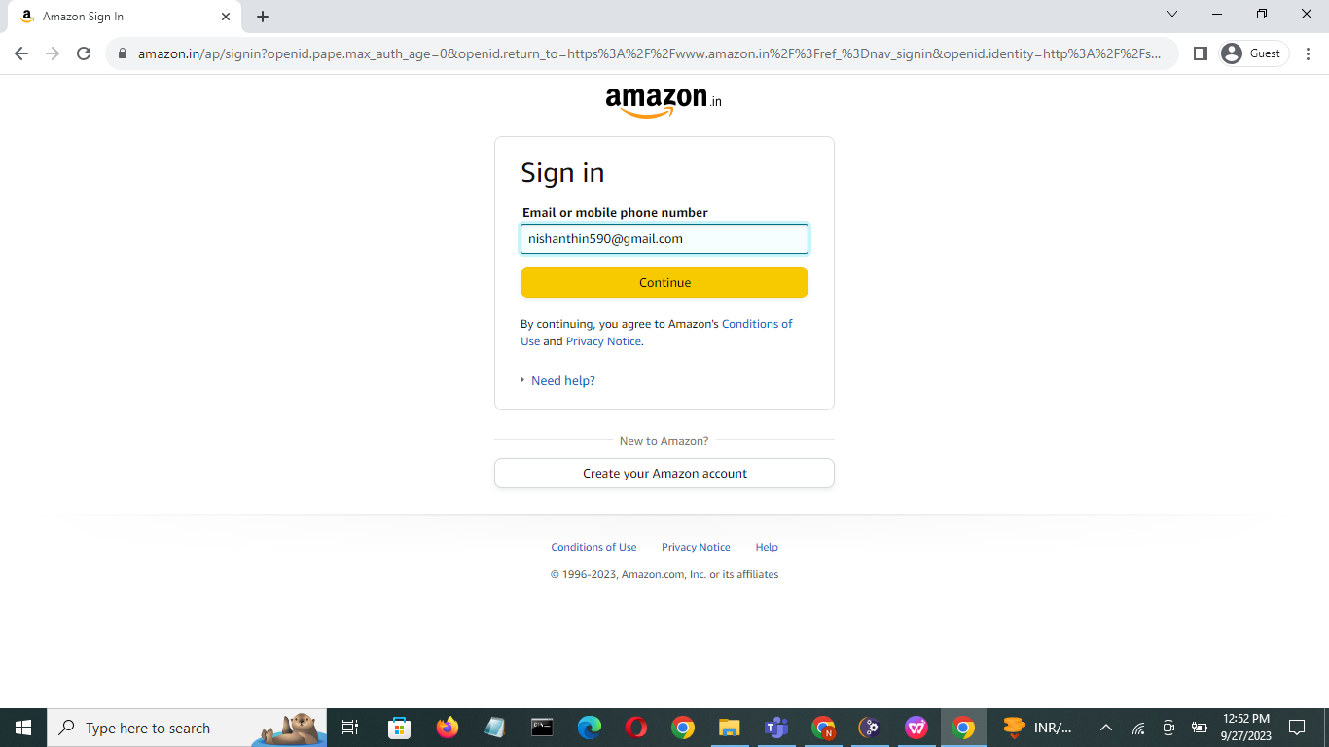 Not enter into homepage | As expected | pass | positive
 |  | TC-5 | Enter valid username | Mail-id:nishanthini580@gmail.com | Homepage is dispalyed | As expected | pass | positive
TS-4 | Check sections of various products | TC-6 |  | Mobile,watches,Amazon miniTV Sell | Categories, brand are displayed | As expected | pass | positive
TS-5 | Check search bar | TC-7 | Enter the product you want | watch | 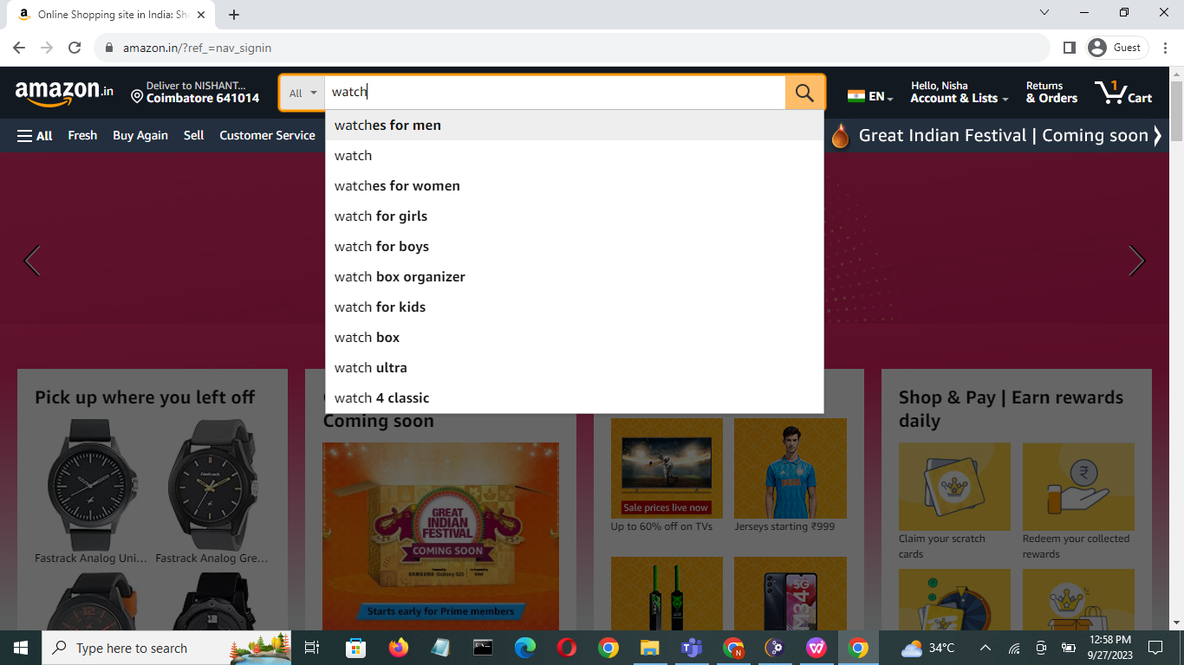 It displays according to search | As expected | pass | positive
TS-6 | Check the top brands | TC-8 | Search the product from Fastrack,Tita, Casio, Sonata ,Fossil | Fastrack | 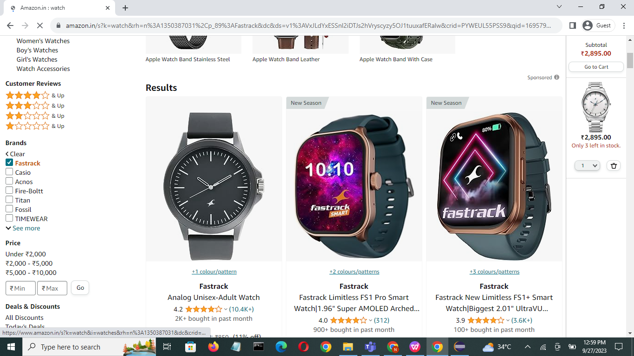 Displays the product | As expected | pass | positive
TS-7 | Check the sort By | TC-9 | Search the product from Features,Low to High,High to Low,Newset Arrivals,Best Seller | Newset Arrivals | 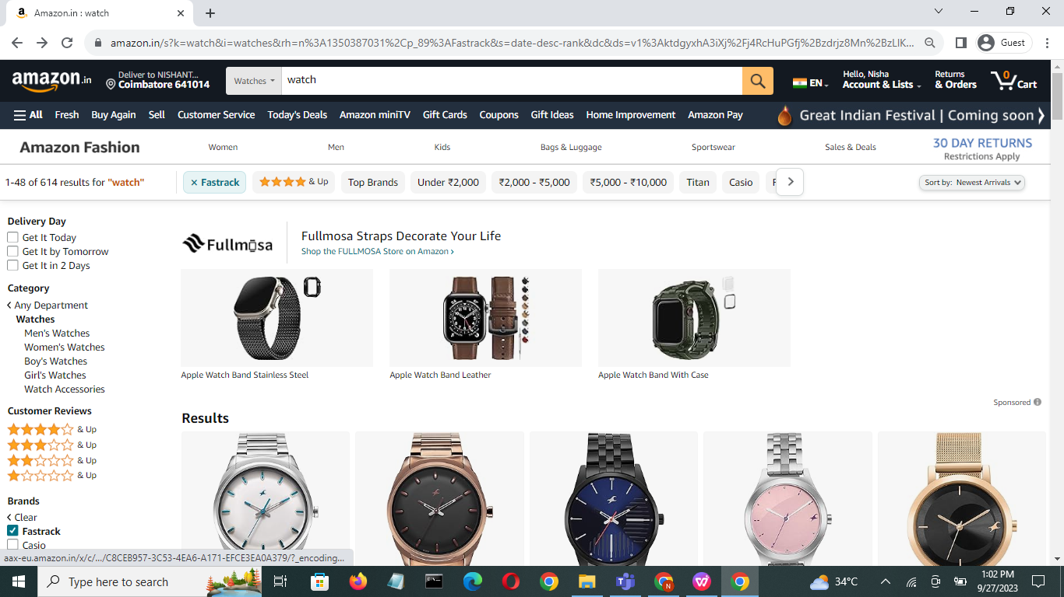 Displays product according to ranges | As expected | pass | positive
TS-8 | Check the add to cart | TC-10 | Selected products should add into cart | watch | 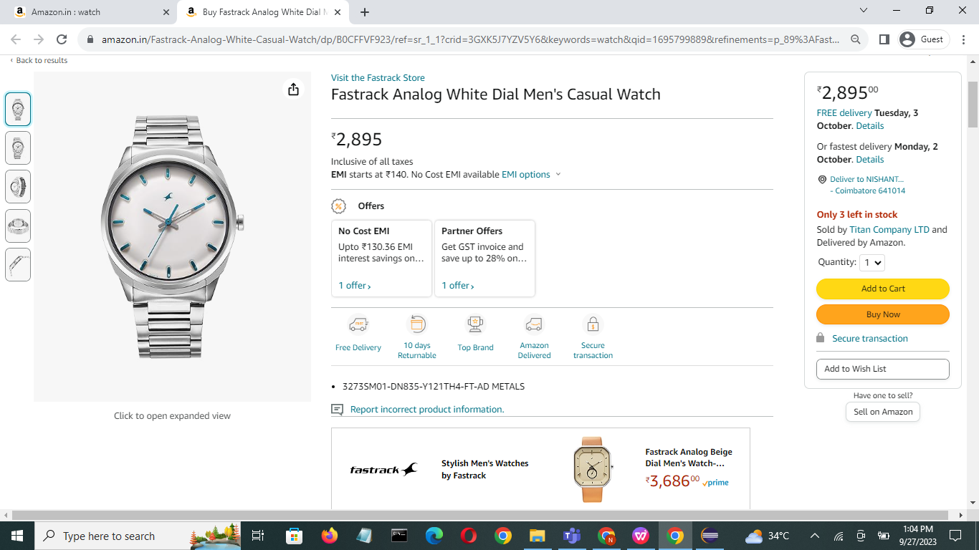 Displays products that are selected | As expected | pass | positive
 |  | TC-11 | Add to the carrt | watch cover,batteries | 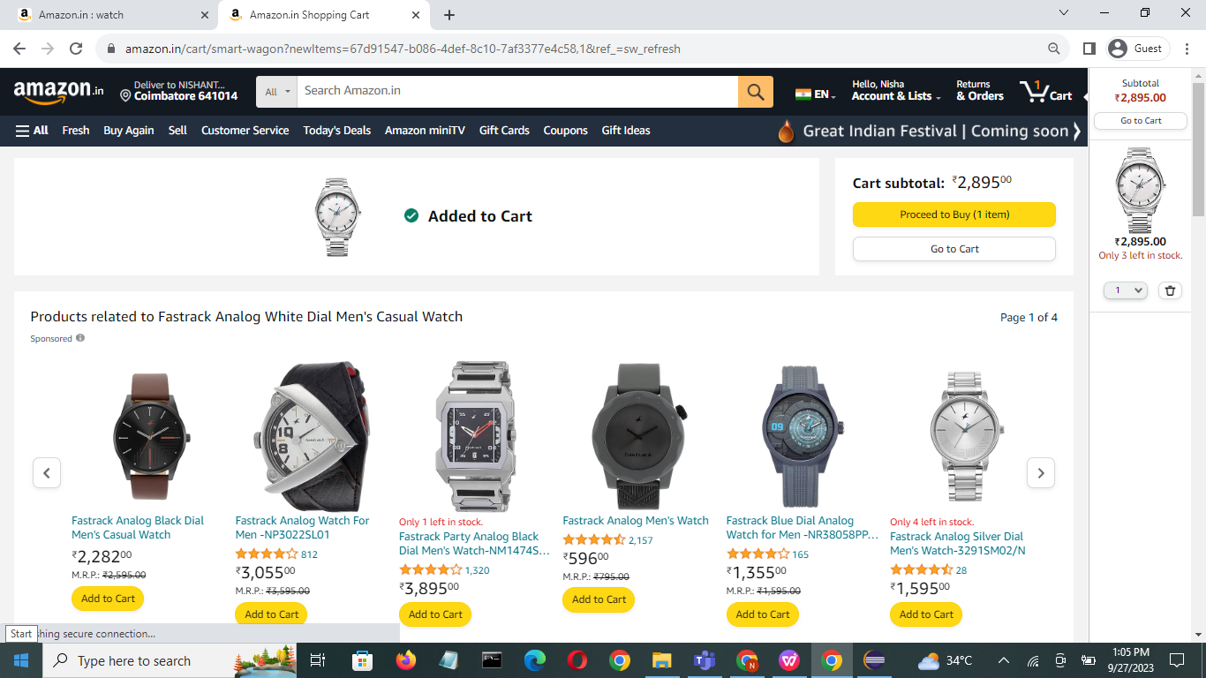 Not shown in cart | As expected | pass | positive
 |  | TC-12 | Click go to cart | go to the cart | 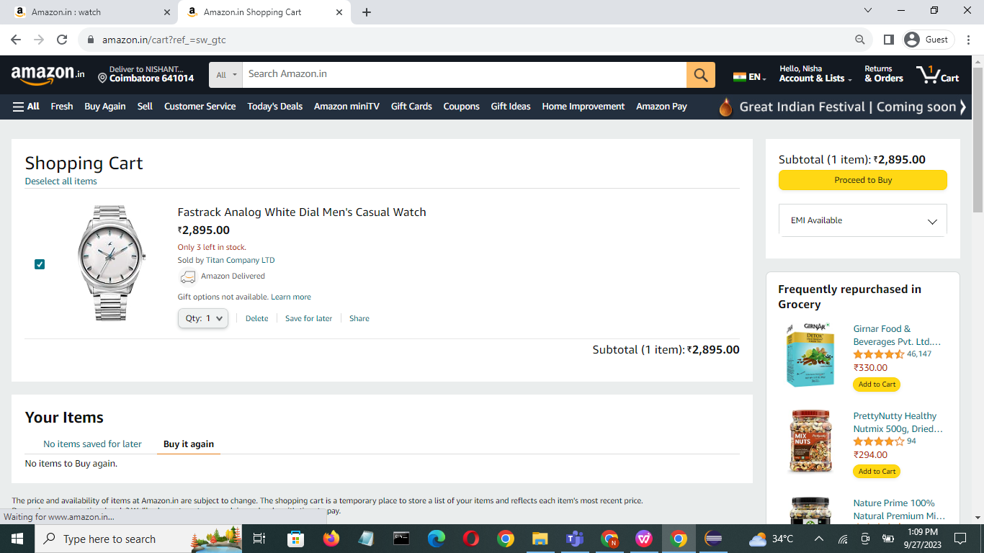 go to cart | As expected | pass | positive
TS-9 | Check proceed to shipping | TC-13 | Enter valid address to ship | No.2/3 kk nagar tanjore 613002 | Text area with address | As expected | pass | positive
TS-10 | Check proceed to pay | TC-14 | Select online payment | UPI, G-pay, phone pay, net banking | Goes into bank page | As expected | pass | positive
 |  | TC-15 | Select bank | Indian bank, BOI, State bank, IOB, HDFC, Canara bank | Ask to fill account number | As expected | pass | positive
 |  | TC-16 | Enter account number | Account number: ***************6128 | Proceed to pay | As expected | pass | positive
 |  | TC-17 | Select Cash on delivery(COD) |  | Proceed to pay | As expected | pass | positive
TS-11 | Check track your order | TC-18 | Enter ID | ID:8946548 | Shows the location where the product is at current | As expected | pass | positive
TS-12 | Check scroll in homepage | TC-19 | Scrolls down |  | Can scroll | As expected | pass | positive
TS-13 | Check following us links | TC-20 | Various links and visit | Facebook, Instagram, Twitter, LinkedIn, Pinterest | Goes into that particular visit | As expected | pass | positive
TS-14 | Check links about Amazon | TC-21 | About amazon | Who we are, Terms &conditions, join our team | Goes into that particular visit | As expected | pass | positive
TS-15 | Check help desk | TC-22 | Click on help desk | FAQ, Customer care | Goes into information page | As expected | pass | positive
TS-16 | Check feedback page | TC-23 | Writes experience about product | Some message | Text area with written message | As expected | pass | positive
 |  | TC-24 | Select stars of ratings | * | Selected stars shows in color | As expected | pass | positive

